Sheet1
ADULT CHAMPION TERRY CREWS (LARGE LOGO)
Champion Men's Tops. Champion French Terry Varsity Crewneck Sweatshirt. This French Terry sweatshirt features a crew neckline, long sleeves, a ribbed hem and cuffs, signature logo embroidered on chest and C logo patch is embroidered at the wrist.
Available: 1,632 Units available
Case Pack 24
Solid Colour per case
S-M-L-XL/ 4-8-8-4
RETAIL $34.99 Euros (approx $55.98 CAD)
OFFER PRICE: $18.00
FOB ETOBICOKE

Reimagine your casual line-up with this collegiate-inspired sweatshirt, featuring a bold 'bookstore' logo in satin and twill.

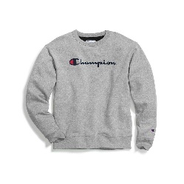
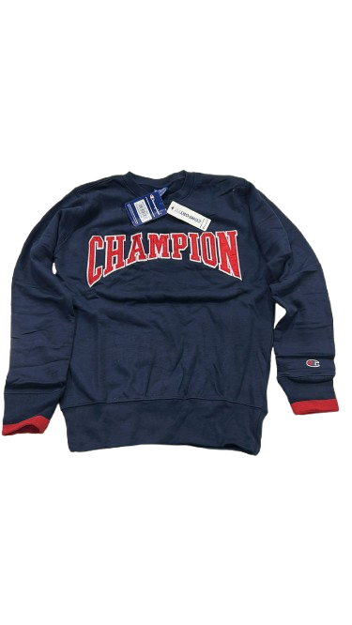
IMAGE | DESCRIPTION | STYLE | COLOUR | S | M | L | XL | TTL UNITS | CASE PACK | TTL CASES
 | MEN'S CH TERRY SWEAT BIG | MCH2TLCE | BLACK | 72 | 144 | 144 | 72 | 432 | 24 | 18 | RETAIL
 | LOGO | MCH2TLCE | NAVY | 104 | 208 | 208 | 104 | 624 | 24 | 26 | $55.00
 | 24 PC SOLID COLOR ASST SIZE | MCH2TLCE | RED | 48 | 96 | 96 | 48 | 288 | 24 | 12

 | CHAMPION |  | Total | 224 | 448 | 448 | 224 | 1,344 |  | 56

